MCvragenAanleveren
 |  |  |  | Question 1 |  |  |  | Paste your diagram here
Instructions |  |  |  | What is it called the black solid circle? |  |  |  | 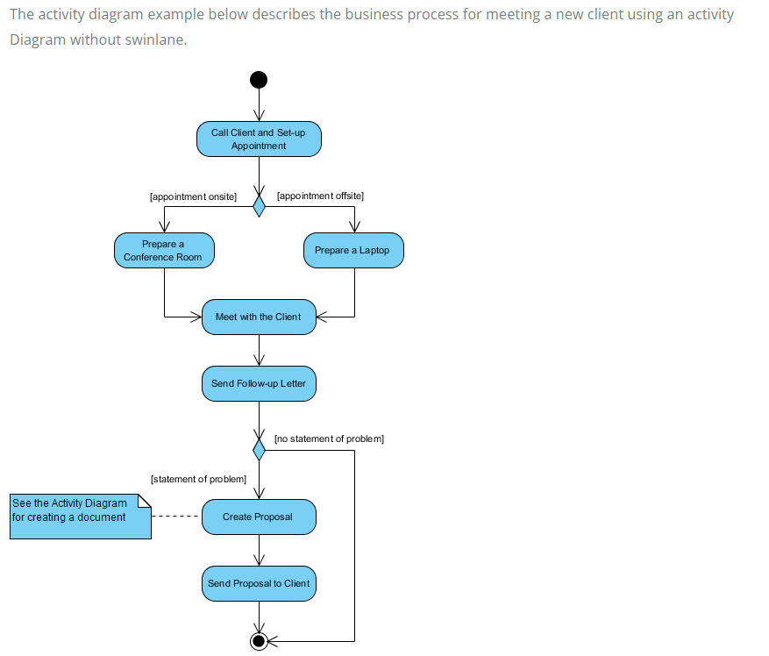
Complete the questions in columns H to K as shown in the example below
Paste your diagram(s) next to the questions in cell M5 |  |  |  | A | Final Node | wrong | As it is not the starting point
If you did not make the diagram yourself, add the source in cell Q39 |  |  |  | B | Activity Node | wrong | As it is not the starting point
 |  |  |  | C | Initial Node | correct | As it is the starting point
Question 0 |  |  |  | D | Decision Node | wrong | As it is not the starting point
Are there any even prime numbers?
 |  |  |  | Question 2
A | no | wrong | 2 is the only even prime number | The activity [appointment onsite ] is called
B | yes, only one | correct | 2 is indeed the only prime number
C | yes, many | wrong | only 2 is a prime number, any other even number is divisible by 2 and hence not prime | A | Fork Node | wrong | It splits a flow into multiple concurent flows
D | unknown | wrong | 2 is known and a prime number | B | Guard | correct | Guars represents which edge represents which decition.
 |  |  |  | C | Join Node | wrong | It synchronizes multiple floes
 |  |  |  | D | Merge Node | wrong | It brings together multiple flows without synchronization

 |  |  |  | Question 3
 |  |  |  | What is the function of the diamond shape symble between the appointment onsite and appointment offsite

 |  |  |  | A | Merge two activity | wrong | because….
 |  |  |  | B | Make a decition | correct | It makes a decition
 |  |  |  | C | Control the flow | wrong | because….
 |  |  |  | D | None of the above | wrong | because….

 |  |  |  | Question 4
 |  |  |  | How many decition node the diagram has?

 |  |  |  | A | 1 | wrong | because….
 |  |  |  | B | 2 | correct | It has only 2 decition node .One is under the call client and set up appointment another is under the send follow up letter
 |  |  |  | C | 3 | wrong | because….
 |  |  |  | D | 4 | wrong | because….

 |  |  |  | Question 5
 |  |  |  | How many fork and join node the diagram has?

 |  |  |  | A | 0 | correct | There is no fork and join node on this diagram
 |  |  |  | B | 1 | wrong | There is no fork and join node on this diagram | Source diagram (if you didn't make it yourself): | https://www.visual-paradigm.com/guide/uml-unified-modeling-language/what-is-activity-diagram/
 |  |  |  | C | 2 | wrong | There is no fork and join node on this diagram
 |  |  |  | D | 3 | wrong | There is no fork and join node on this diagram

